Cover


Buckling

Rule reference: | Rules for steel ship, January 2018

Rule buckling calculation of:
- Flat plate panels for uniaxial buckling
- Shear buckling of flat plate panels
- Buckling of hollow, solid, built-up and general pillars
Scope of tool:

Notes: | password: dpo

Tool version: | V9.0 | Colour legend
Author: | A.A. van Hoeve | Title/header
Validation date: | 2017-12-28 | Description
 |  | Input
 |  | Calculation value
 |  | output/result cell

Definitions
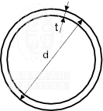
Definitions

Compression without shear |  |  | Shear
Pt B, Ch 7, Sec 1, [5.1.2] & [5.3.1] |  |  | Pt B, Ch 7, Sec 1, [5.1.3] & [5.3.2]
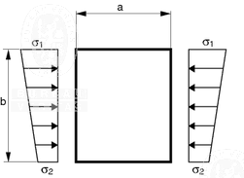
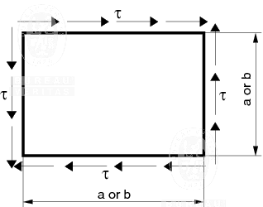

Pillar buckling
Pt B, Ch 7, Sec 3, [6.2]

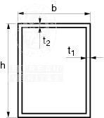
Both ends fixed | One end fixed, one end pinned | Both ends pinned
1
1
bf2
tf2

compr. and bending on pillars
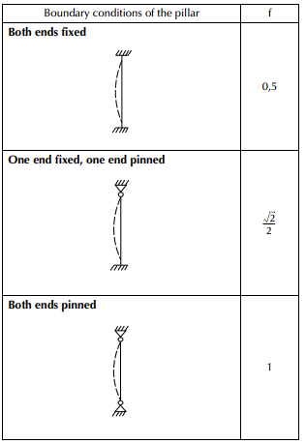
 |  |  | Column buckling of pillars of general cross section under compression and bending
Data
Name
Parameter | value | value | value | value | value | value | value | value | dimension
material | 1 |  |  |  |  |  |  |  | -
wp |  |  |  |  |  |  |  |  | cm^3
A |  |  |  |  |  |  |  |  | cm2
Imin |  |  |  |  |  |  |  |  | cm4
l |  |  |  |  |  |  |  |  | m
f | 1 |  |  |  |  |  |  |  | -
e |  |  |  |  |  |  |  |  | cm
M |  |  |  |  |  |  |  |  | kNm
F |  |  |  |  |  |  |  |  | kN
Reh |  |  |  |  |  |  |  |  | N/mm2
gm |  |  |  |  |  |  |  |  | -
gr |  |  |  |  |  |  |  |  | -
Results
E | 2.06E+05 | invalid input | invalid input | invalid input | invalid input | invalid input | invalid input | invalid input | N/mm2
sE,1 | #DIV/0! | #VALUE! | #VALUE! | #VALUE! | #VALUE! | #VALUE! | #VALUE! | #VALUE! | N/mm2
Φ | #DIV/0! | #VALUE! | #VALUE! | #VALUE! | #VALUE! | #VALUE! | #VALUE! | #VALUE! | -
s | #DIV/0! | #DIV/0! | #DIV/0! | #DIV/0! | #DIV/0! | #DIV/0! | #DIV/0! | #DIV/0! | N/mm2
sall | #DIV/0! | #DIV/0! | #DIV/0! | #DIV/0! | #DIV/0! | #DIV/0! | #DIV/0! | #DIV/0! | N/mm2
 | #DIV/0! | #DIV/0! | #DIV/0! | #DIV/0! | #DIV/0! | #DIV/0! | #DIV/0! | #DIV/0! | -

